Sheet1
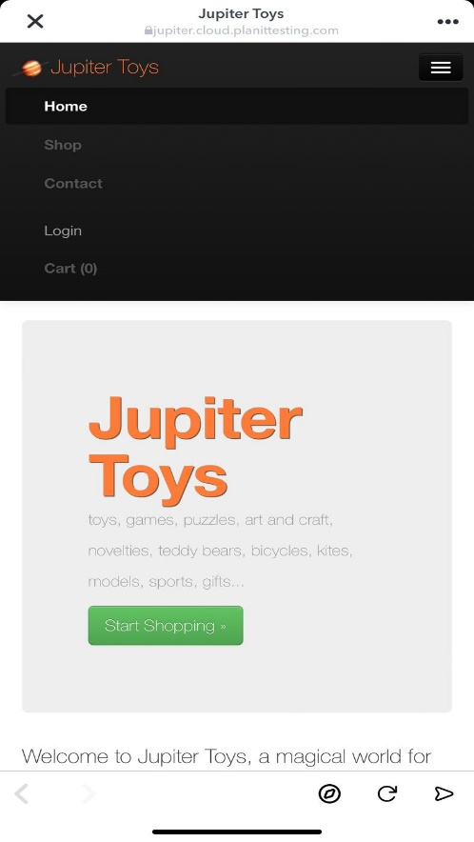
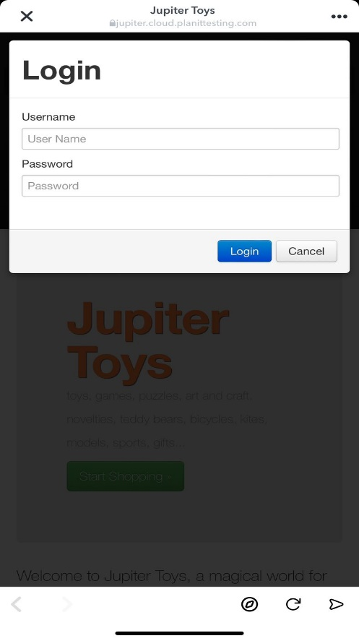
BUG REPORT

Category | Label | Value
Bug ID | ID Number | #4
 | Name | Login Tab Bug
 | Reporter | Meera Alkhatib
 | Submit Date | 2024-05-23
Bug Overview | Summary | The issue is that when clicking on the login menu tab the login doesn’t appear as a whole page.
 | URL | https://jupiter.cloud.planittesting.com
 | Screenshot
Environment | Platform | Web
 | Operating System | iOS 17.4.1 (21E236)
 | Browser | Safari (iOS 17.4.1)
Bug Details | Steps to reproduce | 1. Open the https://jupiter.cloud.planittesting.com website on safari, 2. click on the 3 dots on the upper right corner, 3. click on the login menu tab, 4. observe a login form that overlaps on the website content
 | Expected Result | A login page.
 | Actual Result | A login form that overlaps on the website's content.
 | Description | As a student, I noticed that when clicking on the login menu tab, a login form appears and overlaps on the website's content, instead of appearing as a whole page. Which affects the user experience, usability, and it is not appealing at all.
Bug Tracking | Severity | Medium
 | Assigned to | Frontend Team
 | Priority | Medium
Notes | Notes | This bug should be fixed as soon as possible because although it doesn’t cause severe errors or crashes, fixing it ensures a seamless experience for website visitors.

